Sheet1
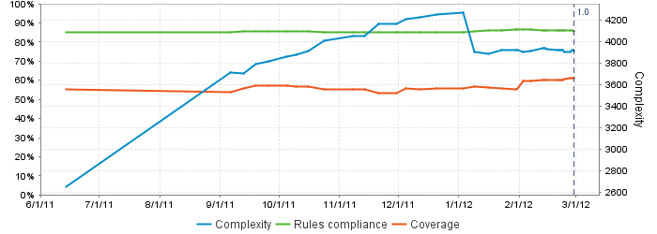
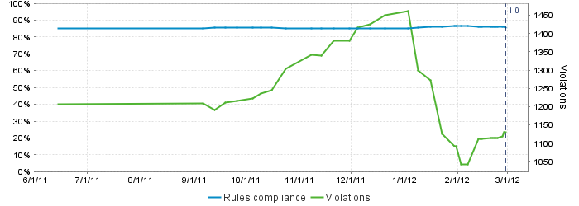
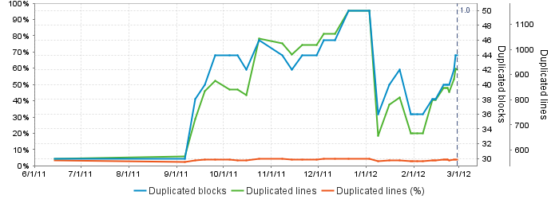
Code Test Coverage By Package
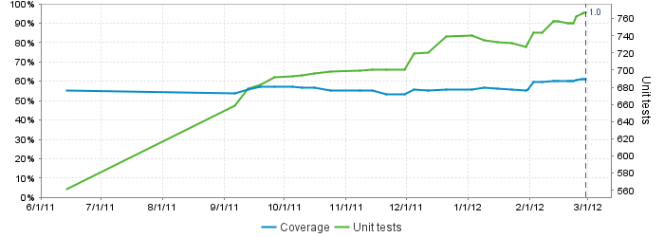
MAP StampStorage Programming Metrics 02/29/2012
StampStorageWeb | 0.00%
MesParser | 17.10%
MesProxy | 41.20%
StampStorageDomain | 69.50%
StampStorageService | 81.80%
Device | 88.30%
Total Code Coverage | 61.20%

